Dashboard

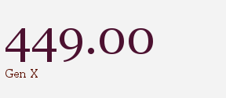
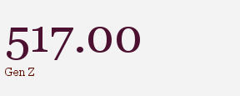
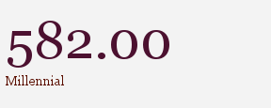
GenTech Generational Workforce Dynamics

Avg Generational Tenure
Avg Employee Tenure by Generation and Gender

Avg Employee Tenure by Generation and Department

Performance and Satisfaction by Generation

Generational Tenure Bucket

